Sheet1
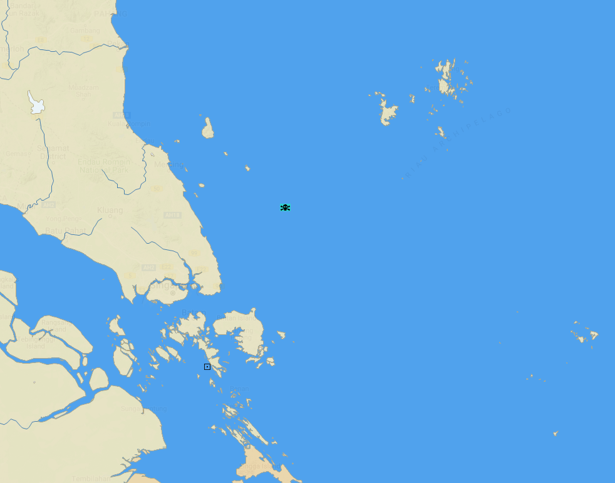

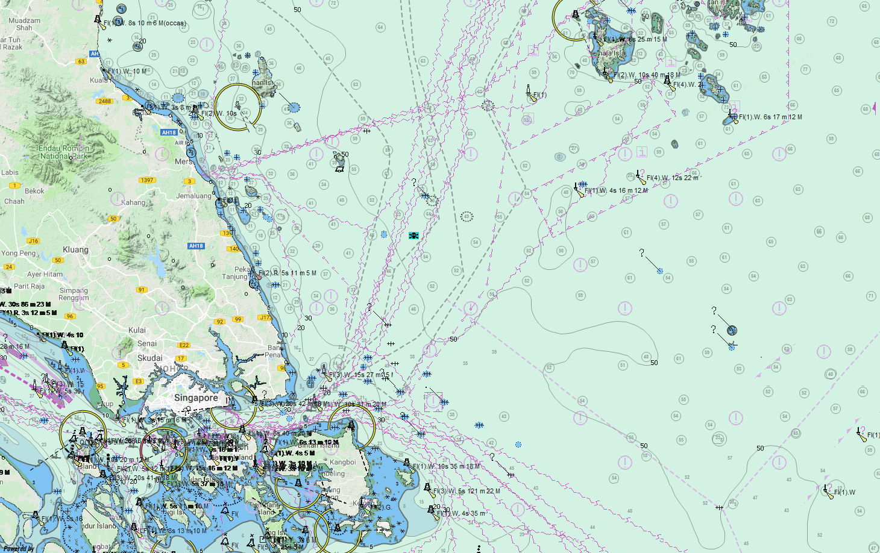

It has been reported that the South Korean-flagged cargo ship CK BLUEBELL was attacked whilst underway from Singapore to Incheon. The bulk carrier was boarded by seven people from one skiff that had approached at speed in excess of 20 knots. The perpetrators remained aboard for 30 minutes and later stole crew belongings before fleeing. Two of the twenty-two crew sustained injuries in the attack.

